MM1
Arnold's Muffler Shop example, Ch12
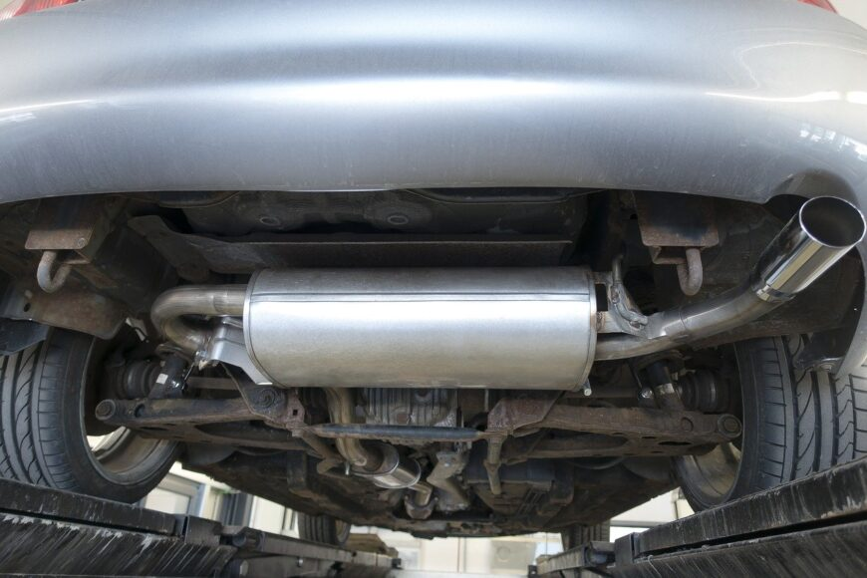

mechanic is able to install new mufflers at an average rate of three per hour (one every twenty minutes)
customers arrive at the shop at average rate of two per hour (one every 30 minutes)
assume the conditions for a single-channel model are met
calculate the various operating characteristics for the model.

lambda = | 2 | cars per hour
mu = | 3 | cars per hour
lambda/mu = | 0.667 | <1? | Yes - can use formulas for M/M/1 model

Lq | 1.333 | vehicles (waiting in the queue)
Ls | 0.667 | vehicles (at the service point)
L | 2 | vehicles (in the system)

Wq | 0.66666666667 | hours (average waiting time in the queue)
Ws | 0.33333333333 | hours (average service time)
W | 1 | hour (avg time in the system)

rho | 0.667 | percentage time the mechanic is busy
P0 | 0.333 | probability that there are 0 cars in the system

Probability of more than k cars in the system:
k | P(n>k)=
0 | 0.66666666667 | looks familiar? P(n>0)=1-P0
1 | 0.44444444444
2 | 0.2962962963
3 | 0.1975308642 | approx 19.8% chance that there are more than 3 cars in the system
4 | 0.1316872428
5 | 0.087791495199
6 | 0.058527663466
7 | 0.039018442311

Costs:
Total service cost = (number of channels)*(cost per channel)
Total service cost = mCs (m=number of channels, Cs= service cost (labour) per channel)

Total waiting cost=(total waiting time for all arrivals)*(cost of waiting)
 | =(number of arrivals)*(avg wait per arrival)*Cw

we can write this as TWC = (lambda*W)*Cw
or, if total waiting time is based on time in the queue:
 | TWC= (lambda*Wq)*Cw

So, total cost = | total service cost + total waiting cost
= | m*Cs + lambda*W*Cw
or
= | m*Cs + lambda*Wq*Cw

Assume the following:
Cs= | $15.00 | per hour service cost | (cost to pay the current mechanic)
Cw= | $50.00 | per hour waiting cost
working hours= | 8 | hours per day

TSC per day = | $120.00 |  | (hours/day)*(#channels)*(service cost/hour)
TWC per day = | $533.33 |  | (hours/day)*(arrivals/hour)*(hours in the queue)*(waiting cost/hour)
Total cost = | $653.33

If another mechanic can install mufflers at a rate of 4 per hour, but costs $20 per hour, should we replace our current mechanic with the new one?

Extra questions:
What is the probability that an arriving customer will have to wait in the queue before being serviced at Arnold's?
 | Ask yourself - when will you wait in queue?

 |  | Customer in System = | Customer being served + | Customer in queue | arriving customer wait?
 |  | 0 | 0 | 0 | don't wait - straight server
 |  | 1 | 1 | 0 | wait
 |  | 2 | 1 | 1 | wait
 |  | 3 | 1 | 2 | wait

 | To calculate the probability of waiting before being serviced, we need to add all the outcomes that results in waiting…

What is the probability that there are more than two customers waiting to be serviced at Arnold's?
 | Hint: if there are more than two customer waiting in the queue, how many are there in the system?

